Fuel Type
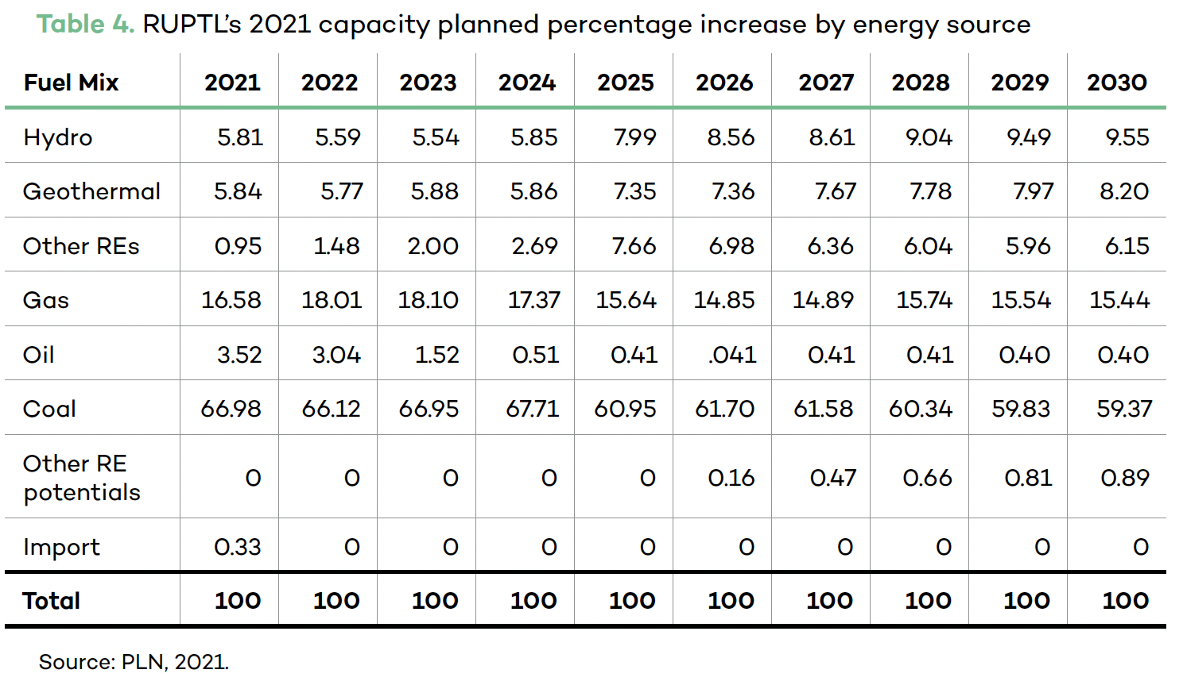
RUPTL’s 2021 capacity planned percentage increase by energy source
Type | 2021 | 2022 | 2023 | 2024 | 2025 | 2026 | 2027 | 2028 | 2029 | 2030
Gas | 16.58 | 18.01 | 18.1 | 17.37 | 15.64 | 14.85 | 14.89 | 15.74 | 15.54 | 15.44
Oil | 3.52 | 3.04 | 1.52 | 0.51 | 0.41 | 0.41 | 0.41 | 0.41 | 0.4 | 0.4
Coal | 66.98 | 66.12 | 66.95 | 67.71 | 60.95 | 61.7 | 61.58 | 60.34 | 59.83 | 59.37

The planned additional generation capacity up to 2030 (MW) | 4.06E+04
Fuel Mix | 2021 | 2022 | 2023 | 2024 | 2025 | 2026 | 2027 | 2028 | 2029 | 2030
Gas | 6.73E+03 | 7.31E+03 | 7.35E+03 | 7.05E+03 | 6.35E+03 | 6.03E+03 | 6.05E+03 | 6.39E+03 | 6.31E+03 | 6.27E+03
Oil | 1.43E+03 | 1.23E+03 | 6.17E+02 | 2.07E+02 | 1.66E+02 | 1.66E+02 | 1.66E+02 | 1.66E+02 | 1.62E+02 | 1.62E+02
Coal | 2.72E+04 | 2.68E+04 | 2.72E+04 | 2.75E+04 | 2.47E+04 | 2.51E+04 | 2.50E+04 | 2.45E+04 | 2.43E+04 | 2.41E+04

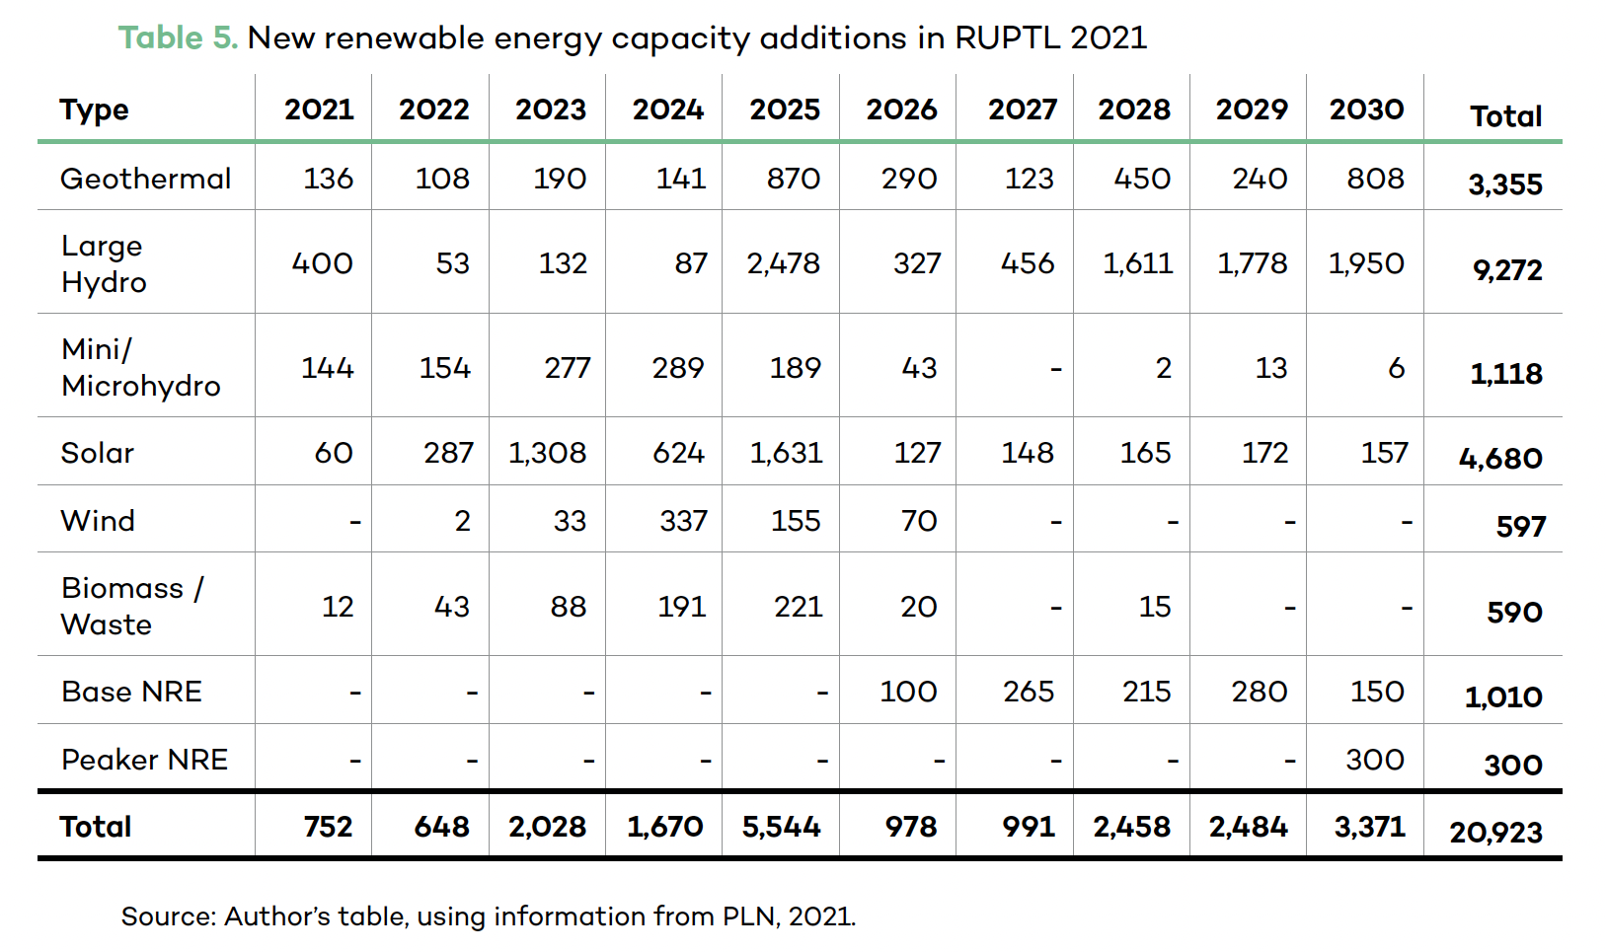
New renewable energy capacity additions in RUPTL 2021 (MW)
Type | 2021 | 2022 | 2023 | 2024 | 2025 | 2026 | 2027 | 2028 | 2029 | 2030
Geothermal | 1.36E+02 | 1.08E+02 | 1.90E+02 | 1.41E+02 | 8.70E+02 | 2.90E+02 | 1.23E+02 | 4.50E+02 | 2.40E+02 | 8.08E+02
Large Hydro | 4.00E+02 | 5.30E+01 | 1.32E+02 | 8.70E+01 | 2.48E+03 | 3.27E+02 | 4.56E+02 | 1.61E+03 | 1.78E+03 | 1.95E+03
Mini/Microhydro | 1.44E+02 | 1.54E+02 | 2.77E+02 | 2.89E+02 | 1.89E+02 | 4.30E+01 | - | 2.00E+00 | 1.30E+01 | 6.00E+00
Solar | 6.00E+01 | 2.87E+02 | 1.31E+03 | 6.24E+02 | 1.63E+03 | 1.27E+02 | 1.48E+02 | 1.65E+02 | 1.72E+02 | 1.57E+02
Wind | - | 2.00E+00 | 3.30E+01 | 3.37E+02 | 1.55E+02 | 7.00E+01 | - | - | - | -
Biomass/Waste | 1.20E+01 | 4.30E+01 | 8.80E+01 | 1.91E+02 | 2.21E+02 | 2.00E+01 | - | 1.50E+01 | - | -
Base NRE | - | - | - | - | - | 1.00E+02 | 2.65E+02 | 2.15E+02 | 2.80E+02 | 1.50E+02
Peaker NRE | - | - | - | - | - | - | - | - | - | 3.00E+02
Total | 7.52E+02 | 6.48E+02 | 2.03E+03 | 1.67E+03 | 5.54E+03 | 9.78E+02 | 9.91E+02 | 2.46E+03 | 2.48E+03 | 3.37E+03

New renewable energy capacity additions in RUPTL 2021 (MW)
Type | 2021 | 2022 | 2023 | 2024 | 2025 | 2026 | 2027 | 2028 | 2029 | 2030
Geothermal | 1.36E+02 | 1.08E+02 | 1.90E+02 | 1.41E+02 | 8.70E+02 | 2.90E+02 | 1.23E+02 | 4.50E+02 | 2.40E+02 | 8.08E+02
Large Hydro | 4.00E+02 | 5.30E+01 | 1.32E+02 | 8.70E+01 | 2.48E+03 | 3.27E+02 | 4.56E+02 | 1.61E+03 | 1.78E+03 | 1.95E+03
Mini/Microhydro | 1.44E+02 | 1.54E+02 | 2.77E+02 | 2.89E+02 | 1.89E+02 | 4.30E+01 | 4.30E+01 | 2.00E+00 | 1.30E+01 | 6.00E+00
Solar | 6.00E+01 | 2.87E+02 | 1.31E+03 | 6.24E+02 | 1.63E+03 | 1.27E+02 | 1.48E+02 | 1.65E+02 | 1.72E+02 | 1.57E+02
Wind | 0.00E+00 | 2.00E+00 | 3.30E+01 | 3.37E+02 | 1.55E+02 | 7.00E+01 | 7.00E+01 | 7.00E+01 | 7.00E+01 | 7.00E+01
Biomass/Waste | 1.20E+01 | 4.30E+01 | 8.80E+01 | 1.91E+02 | 2.21E+02 | 2.00E+01 | 2.00E+01 | 2.00E+01 | 2.00E+01 | 2.00E+01
Base NRE | 0.00E+00 | 0.00E+00 | 0.00E+00 | 0.00E+00 | 0.00E+00 | 1.00E+02 | 2.65E+02 | 2.15E+02 | 2.80E+02 | 1.50E+02
Peaker NRE | 0.00E+00 | 0.00E+00 | 0.00E+00 | 0.00E+00 | 0.00E+00 | 0.00E+00 | 0.00E+00 | 0.00E+00 | 0.00E+00 | 3.00E+02
Total | 7.52E+02 | 6.48E+02 | 2.03E+03 | 1.67E+03 | 5.54E+03 | 9.78E+02 | 9.91E+02 | 2.46E+03 | 2.48E+03 | 3.37E+03

